SCRIPT
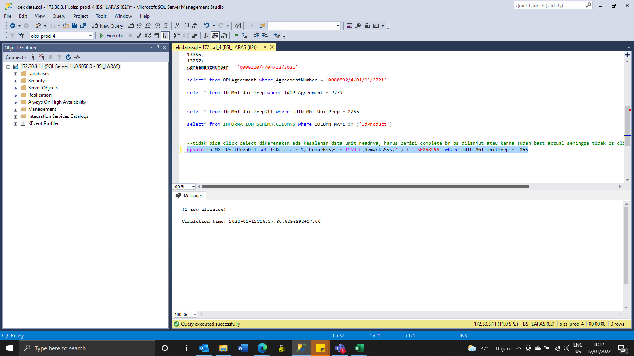
update Tb_MGT_UnitPrepDtl set IsDelete = 1, RemarksSys = ISNULL(RemarksSys,'') + ' S0258996' where IdTb_MGT_UnitPrep = 2255

SS
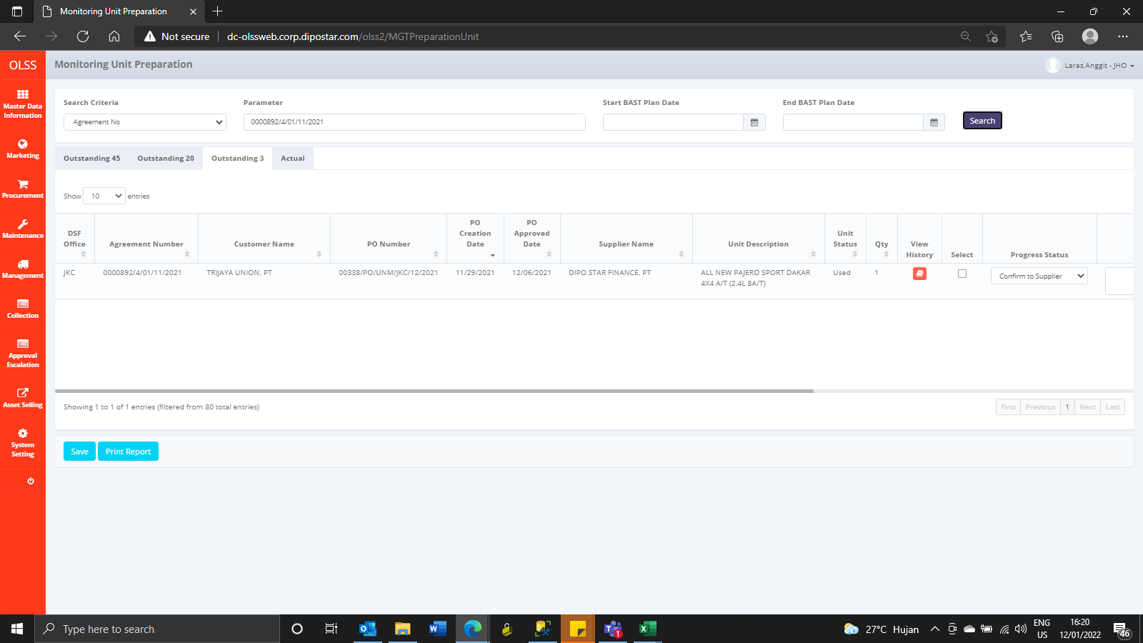
BEFORE
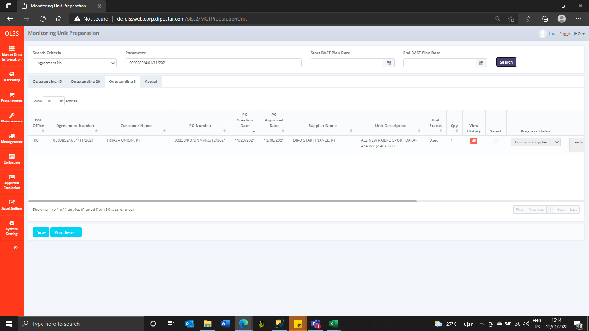

AFTER

